Introduction
PWC Data Wrangling Challenge #1

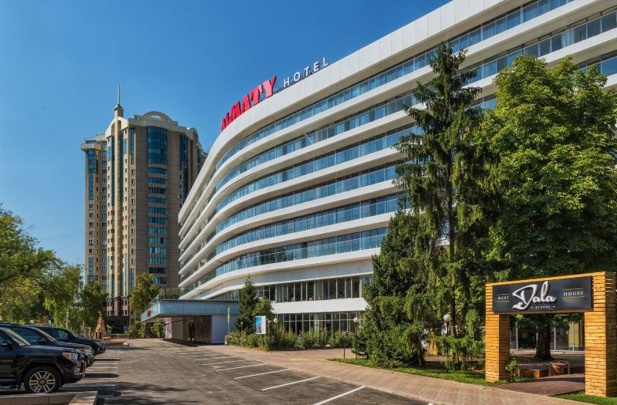
 | Period
 | 2019 (12 months)

 | Room types (6) | Concerns (11)
 | Executive | Bad smells
 | Superior King | Issues with staff
 | King | Doesn’t match the website/brochure
 | Club Deluxe | Noisy neighbors
 | One Club | Low-quality food
 | One Suite | Temperature of their room
 |  | Rodents and roaches
 | Revenue Types (3) | No hot water
 | Room | Dirty rooms
 | Food | Faulty electronics
 | Bar | Slow Wi-Fi

Revenue Dash
Room Type |  |  |  | Revenues as a Percent of Plan for One Club
One Club

Room Revenue | Food Revenue | Bar Revenue | Month | 90%
104% | 46% | 82% | 1 | 90%
102% | 34% | 89% | 2 | 90%
87% | 25% | 69% | 3 | 90%
80% | 22% | 65% | 4 | 90%
94% | 17% | 79% | 5 | 90%
93% | 10% | 90% | 6 | 90%
113% | 153% | 125% | 7 | 90%
101% | 112% | 113% | 8 | 90%
93% | 87% | 95% | 9 | 90%
93% | 63% | 60% | 10 | 90%
76% | 48% | 51% | 11 | 90%
86% | 56% | 56% | 12

Analysis Highlights | Room Type | Revenue Problem | Months
Normal | Executive, Superior | - | -
Problem #1 | King | Low Food, Bar, Room | Jun - Dec
Problem # 2 | Deluxe, 1-Club, 1-Suite | Low Food | Jan - Jun

Concerns
Frequency of Concerns Across all Room Types in 2019
 | Count
Temperature of room | 485
Noisy neighbors | 399
Bad smells | 283
Faulty electronics | 278
Doesn’t match web/brochure | 221
Low-quality food | 189
Slow Wi-Fi | 182
No hot water | 178
Issues with staff | 146
Rodents and roaches | 146
Dirty rooms | 125

Concerns Dash
Room Type |  |  |  | Top 3 Concerns per Unit for King
King

#1 Temperature of their room | #2 Noisy neighbors | #3 Bad smells | Month
0.09 | 0.39 | 0.25 | 1
0.05 | 0.30 | 0.18 | 2
0.09 | 0.32 | 0.05 | 3
0.05 | 0.18 | 0.07 | 4
0.02 | 0.07 | 0.11 | 5
0.05 | 0.07 | 0.05 | 6
1.27 | 0.14 | 0.11 | 7
1.61 | 0.18 | 0.05 | 8
2.20 | 0.18 | 0.11 | 9
1.14 | 0.07 | 0.00 | 10
1.18 | 0.11 | 0.07 | 11
1.23 | 0.11 | 0.02 | 12

Analysis Highlights | Room Type | Revenue Problem | Months
Normal | Executive, Superior | - | -
Problem #1 | King | Low Food, Bar, Room | Jun - Dec
Problem #2 | Deluxe, 1-Club, 1-Suite | Low Food | Jan - Jun
Problem #3 | All Types | Faulty Electronics | Jan - Dec

